1. Title Page
[Instacart Grocery Basket Analysis]

Project Name: Instacart Grocery Basket Analysis
Date: 18/12/2022
Analyst Name: Capobianco, Nayla

Contents:
Population Flow
Consistency checks
Wrangling steps
Column derivations
Visualizations
Recommendations

“The Instacart Online Grocery Shopping Dataset 2017”, consultado desde https://www.instacart.com/datasets/grocery-shopping-2017 el 18/12/2022

2. Population Flow
Population flow
Exclusion flag
Condition: max_order < 5
Obervations to be removed: 2883
Final total count of order_products_all: 32398031

Orders_products_combined
Orders_products_merged
Orders_products_all

Total:(32406041,14)
Total:(32434489, 10)
Total: 32398031,31

1.) The grey boxes in the first row of the population flow represent the original data sets as they were when you downloaded them. In the Total fields you need to add the count of the rows when you imported the data set into Jupyter.
2.) The second row of boxes (coloured) represents the data sets after you manipulated them, e.g., removed missing values and duplicates. In the Total fields you need to add the count of the rows after conducting these operations. This offers a visual oveview of how the data flows throughout the data consistency checks.
3.) The third row, where also the arrows are coloured, represents the merges you performed between the datasets. In the Total fields you need to add the count of the rows in the merged datasets, so that you end up with the final dataset (in the red box). Keep in mind the final dataset should be without exclusions (based on the exclusion flag).

3. Consistency checks
 |  |  |  | Title page
Consistency checks

Dataset | Missing values | Missing values treatment | Duplicates
orders | days_since_prior_order | False missing values. | no
products | product_name | delete | yes-delete
orders_products_prior | no |  | no
customers | no |  | no

4. Wrangling steps
 |  |  |  | Title page
Wrangling steps

Columns dropped | Columns renamed | Columns' type changed | Comment/Reason
Orders
Orders('eval_set') | 'order_dow' : 'orders_day_of_week' | orders_id-str

Products

Order_products_prior
 | 'id' : 'order_id'
Customers
fam_status | 'First Name' : 'name','Surnam' : 'surname' , 'STATE': 'state', 'Age' : 'age' | name-str
 |  | date_joined-dateime64
The data in the customers table has personal data that could not be stored on the computer or work with them but since this data is only created to carry out the study, I can keep them on the computer

5. Column derivations
 |  |  |  |  | Title page

Column derivations and aggregations
 |  |  |  | orders_products_newcolumns

In this tab you should add tables below that the frequences of flags/label variables that you produced after deriving them. NB: don't do this for continuous variables, only for flags.
Dataset | New column | Column/s it was derived from | Conditions

orders_products_newcolumns | "busiest_day" | orders_day_of_week | for value in df1["orders_day_of_week"]: if value == 0: result2.append("Busiest days") elif value == 1: result2.append("Busiest days") elif value == 3: result2.append("Least busy") elif value == 4: result2.append("Least busy") else: result2.append("Regularly busy")
orders_products_newcolumns | "busiest_hour" | order_hour_of_day | for value in df1["orders_day_of_week"]: if value == 0: result2.append("Busiest days") elif value == 1: result2.append("Busiest days") elif value == 3: result2.append("Least busy") elif value == 4: result2.append("Least busy") else: result2.append("Regularly busy")
orders_products_newcolumns | hours label | order_hour_of_day and prices | if (row['order_hour_of_day'] <= 16) and (row['prices'] >= 9): return 'Most orders' elif (row['order_hour_of_day'] >= 0) and (row['prices'] <= 6): return 'Fewest orders' else: return 'Average orders'
ords_prods_merge | loyalty flag | max order | ords_prods_merge.loc[ords_prods_merge['max_order'] > 40, 'loyalty_flag'] = 'Loyal customer' ords_prods_merge.loc[(ords_prods_merge['max_order'] <= 40) & (ords_prods_merge['max_order'] > 10), 'loyalty_flag'] = 'Regular customer' ords_prods_merge.loc[ords_prods_merge['max_order'] <= 10, 'loyalty_flag'] = 'New customer'
ords_prods_merge | spending flag | meanprice | ords_prods_merge.loc[ords_prods_merge['meanprice'] < 10, ords_prods_merge.loc[ords_prods_merge['meanprice'] >= 10, 'spending flag'] = 'High spender' 'spending flag'] = 'Low spender' ords_prods_merge.loc[ords_prods_merge['meanprice'] >= 10, 'spending flag'] = 'High spender'
ords_prods_merge | frequency flag | frequency | ords_prods_merge.loc[ords_prods_merge['frequency'] > 20, 'frequency flag'] = 'Non-frequent customer' ords_prods_merge.loc[(ords_prods_merge['frequency'] <= 20) & (ords_prods_merge['frequency'] > 10), 'frequency flag']= 'Regular customer' ords_prods_merge.loc[ords_prods_merge['frequency'] <= 10, 'frequency flag'] = 'Frequent customer'

6. Visualizations
Visualisations

Number of orders according to the time of day.
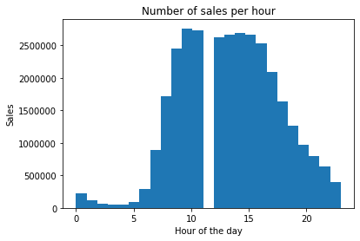

This graph represents the number of orders that are recorded in instacar at different times of the day. You could say that the peak of orders occurs between 9 am and 16 pm.We also observe that for 1 pm there are no values. It seems that there was a problem when collecting the data, we could say that the sales at 1pm are similar to those at 12am and at 2pm but we cannot complete the table with more than 2,500,000 sales data.

The Instacart officers are interested in comparing customer behavior in different geographic areas. Create a regional segmentation of the data. You’ll need to create a “Region” column based on the “State” column from your customers data set. Use the region information in this Wikipedia article to create your column (you only need to create regions, not divisions). Determine whether there’s a difference in spending habits between the different U.S. regions. (Hint: You can do this by crossing the variable you just created with the spending flag.

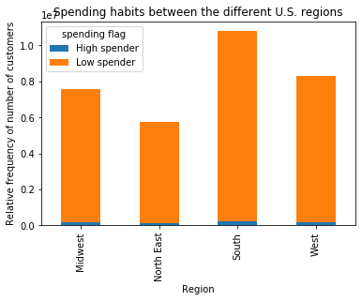

In this graph we can see the relationship between the different regions and spending habits. The high spender have a very small proportion of the market and it is the same in the four regions in contrast the low spender have a much higher proportion in the 4 regions, the south is the largest of the regions and east the smallest of the regions.

The marketing team is curious about the distribution of orders among customers in terms of loyalty. Create a bar chart from the “loyalty_flag” column.
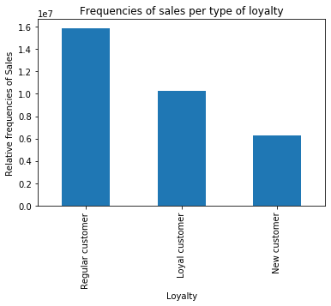

According to the loyalty flag column we have three types of customers. New, regular buyers and loyal buyers, the customers who make the most purchases are regular customers.

Check whether there’s a difference in expenditure (the “prices” column) depending on the hour of the day. (Hint: To check this, you need to use an accurate sample for your line chart!)

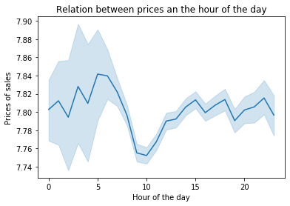

This graph shows the time of day relationship and the prices of the products purchased by users. The price varies from 7.74 to 7.84 euros the difference is very small, which if we observe is a greater deviation between 0:00 and 7:00 am in the morning.

Now that you have information about customers, you need to conduct some exploratory analysis of customer demographics to inform the targeted marketing campaigns. First, determine whether there’s a connection between age and family situation by creating a line chart exploring the connections between age and number of dependents: In a markdown cell beneath your line chart, describe what the line chart shows.

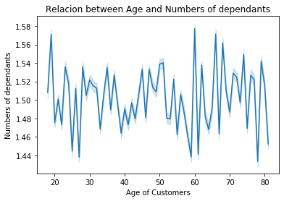

This graph represents the relationship between the age of consumers and the number of dependants. And as you can see, there is no relationship.

You’ll also need to explore whether there’s a connection between age and spending power (income). To visualize this relationship, create a scatterplot using the sns.scatterplot() function. In a markdown cell beneath your scatterplot, describe what the scatterplot shows.

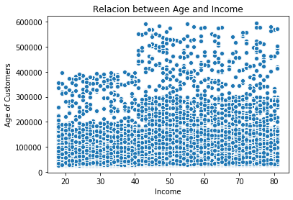

Here we can observe the relationship of income and age, you see a very mild positive relationship. The older the higher the income.

The marketing and business strategy units at Instacart want to create more-relevant marketing strategies for different products and are, thus, curious about customer profiling in their database. Create a profiling variable based on age, income, certain goods in the “department_id” column, and number of dependents. You might also use the“orders_day_of_the_week” and “order_hour_of_day” columns if you can think of a way they would impact customer profiles. (Hint: As an example, try thinking of what characteristics would lead you to the profile “Single adult” or “Young parent.”)

Profiles
A profile that interests us is the age of our buyers by region.
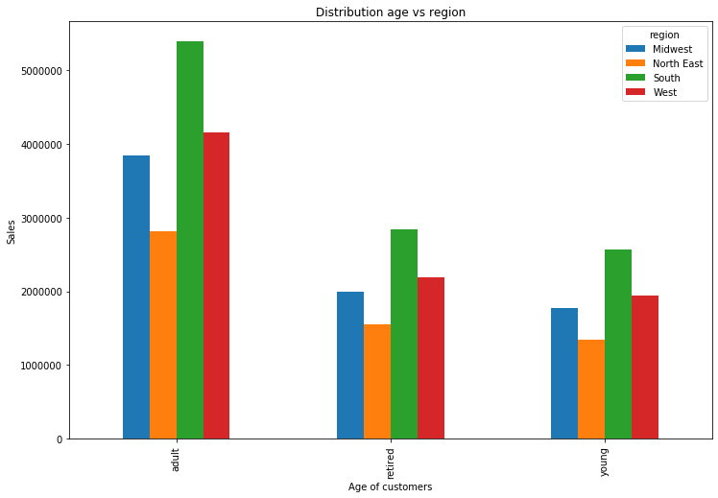

Here we can see the distribution of age and regions where our customers live. You can see that we have more adult buyers in the southern region.

Profile
Distribution income vs age
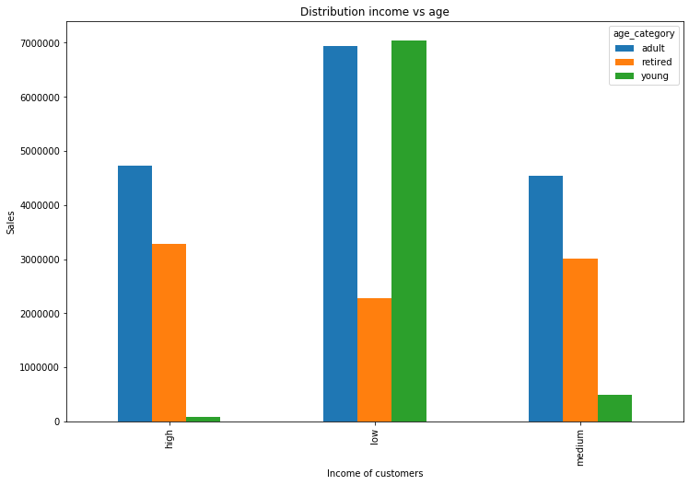

 |  | In [80]:

This profile shows us the three types of user according to adulthood, retired and young and the income they have high, low and mediun. And the quantities of purchases they make. The biggest buyers right now are adults and Young with low income

Aggregate the max, mean, and min variables on a customer-profile level for usage frequency and expenditure.

Frequency and expenditure by family composition |  |  | Frequency and expenditure by age

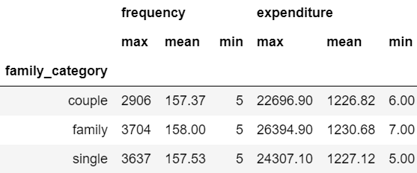
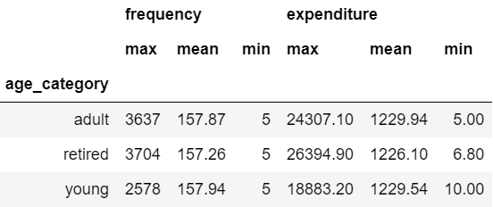

Frequency and expenditure by income |  |  | Frequency and expenditure by region
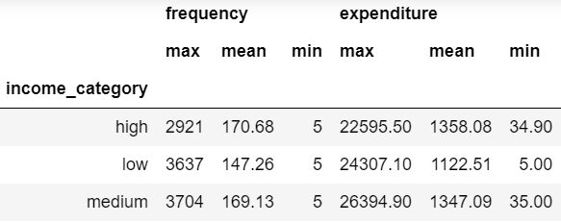
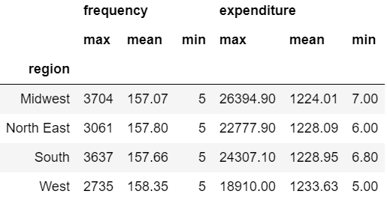

These tables contain all the information on frequency of consumption and money consumption of consumers in the four profiles that do not interest which are age, type of family, income and region.

Compare your customer profiles with regions and departments. Can you identify a link between them? Customers may demonstrate different behaviors across regions, which could make this information important

Department_name_vs_region
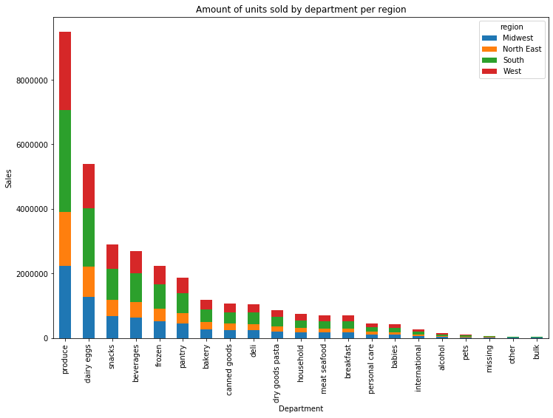

Comparison of consumption in the departments according to region. It is observed that the department that sells the most in the four regions is dairy eggs, and more of that department is consumed in the south.

Department_name vs age_category
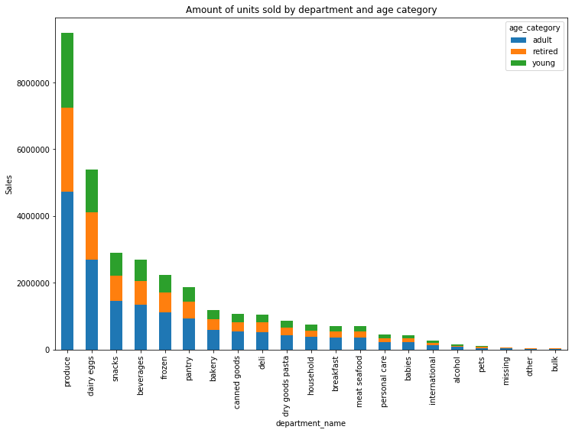

Here we compare the consumption of products from different departments but by age of consumers. We can observe that the behavior by age is the same for each department, the adult is the one who consumes the most in each department and the young person the =s the one who consumes the least.

Department_name vs family_category

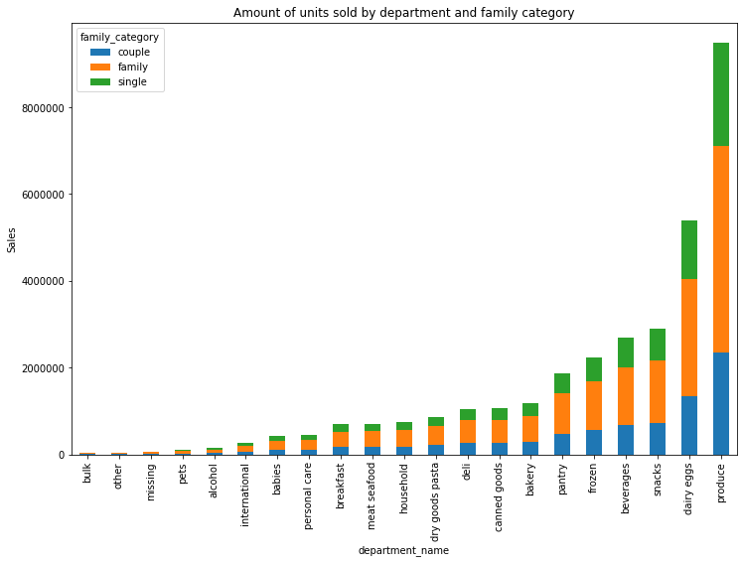

Here we see the purchase of consumption in the different departments but now regarding the type of family, as we can see the behavior is the same in all departments. families have the highest percentage of consumption in all departments.

The sales team needs to know what the busiest days of the week and hours of the day are (i.e., the days and times with the most orders) in order to schedule ads at times when there are fewer orders.

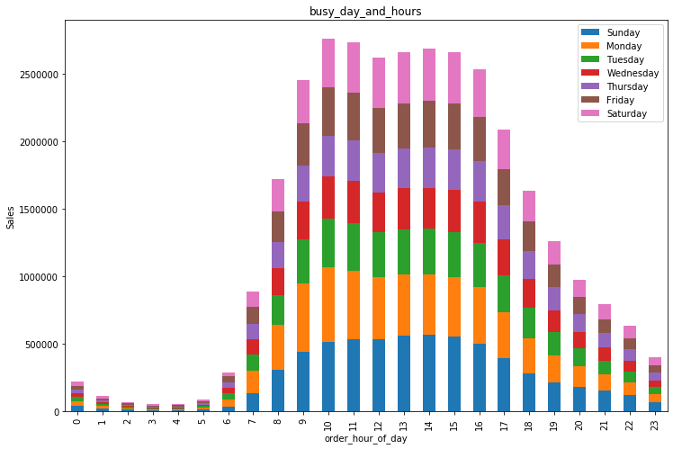

In the color map, you can see at a glance that the busiest day is Sunday and Monday from 10:00 am to 15:pm and The least busy days are every days of the week from 0:00 to 6:00 am but announcements cannot be made when people are sleeping so a schedule to make announcements would be from 18:00 pm to 22:00 pm If people see your product advertised, they could buy and consume it.

Instacart has a lot of products with different price tags. Marketing and sales want to use simpler price range groupings to help direct their efforts

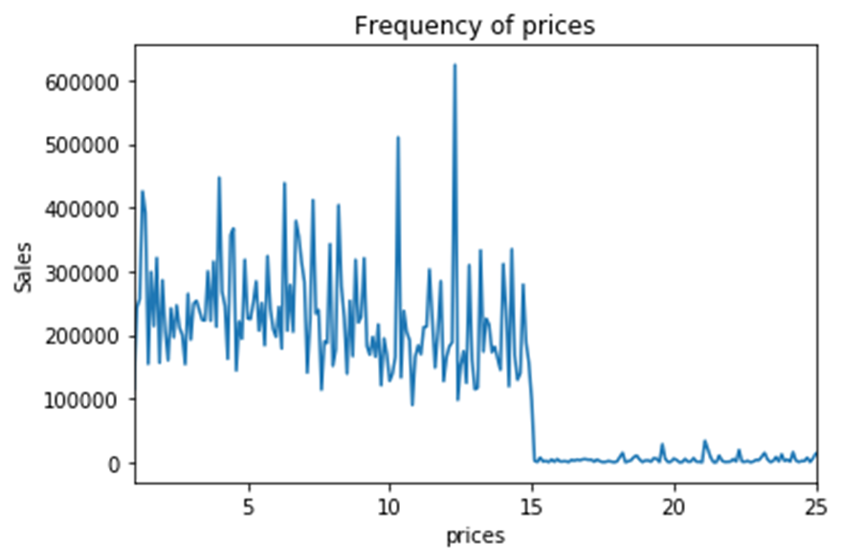

In this graph, we observe the number of products that are sold for each price. The graph shows a jump because we have many sales of products less than a value of 15 and very few sales for values ​​greater than 15. Instacard managers have two very well-differentiated groups to work on.

Are there certain types of products that are more popular than others? The marketing and sales teams want to know which departments have the highest frequency of product orders.

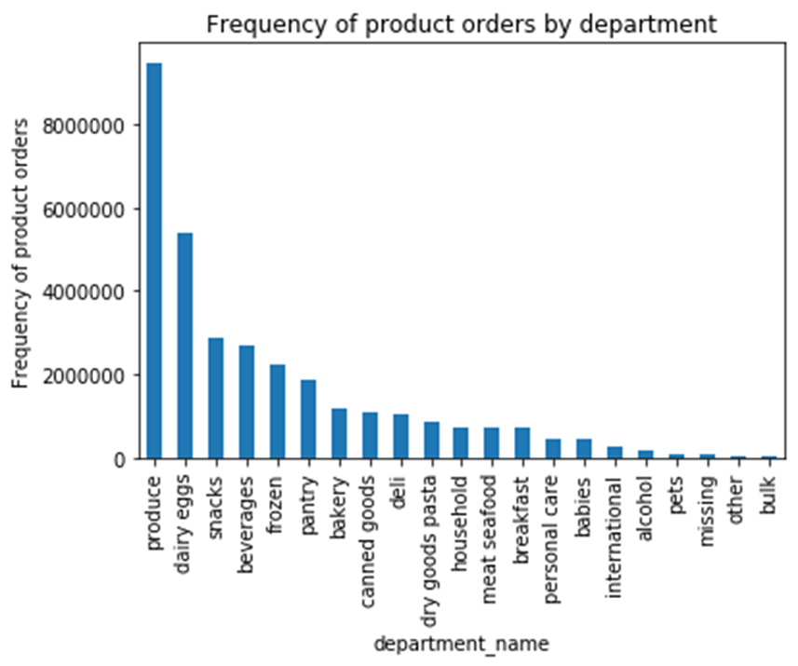

 | The most popular types of products are produce and diary eggs.

Are there differences in ordering habits based on a customer’s loyalty status?

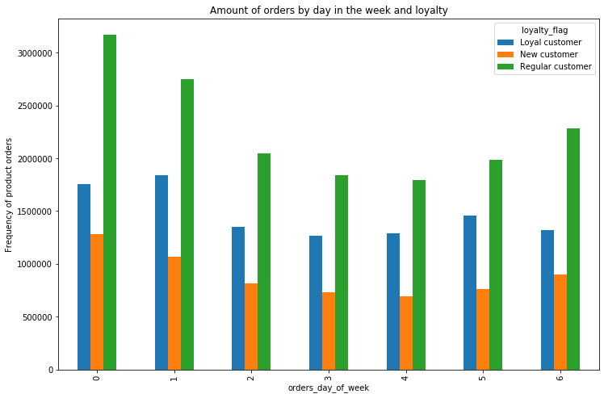

The same purchase pattern is maintained on each day of the week, the regular customer is the one who consumes the most and the new one who consumes the least in all departments. The days that are consumed the most are Sundays, Mondays, and Saturdays.

7. Recommendations
 |  | Title page

Recommendations

 | 1. The sales team needs to know what the busiest days of the week and hours of the day
 | are (i.e., the days and times with the most orders) in order to schedule ads at times
 | when there are fewer orders.

 | In the color map, you can see at a glance that the busiest day is Sunday and Monday from 10:00 am to 15:pm and The least busy days are every days of the week from 0:00 to 6:00 am but announcements cannot be made when people are sleeping so a schedule to make announcements would be from 18:00 to 22:00 If people see your product advertised, they could buy and consume it.

 | 2. They also want to know whether there are particular times of the day when people spend
 | the most money, as this might inform the type of products they advertise at these times.

As you can see, you can not distinguish a particular time of day when people spend more money, the variation should not be advertised for products of different prices.

 | 3. Instacart has a lot of products with different price tags. Marketing and sales want to use simpler price range groupings to help direct their efforts.

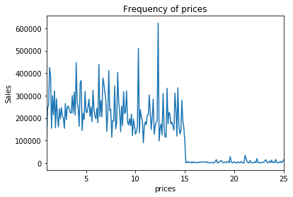

In this graph, we observe the number of products that are sold for each price. The graph shows a jump because we have many sales of products less than a value of 15 and very few sales for values ​​greater than 15. Instacard managers have two very well-differentiated groups to work on.

4. Are there certain types of products that are more popular than others? The marketing
and sales teams want to know which departments have the highest frequency of product
orders.
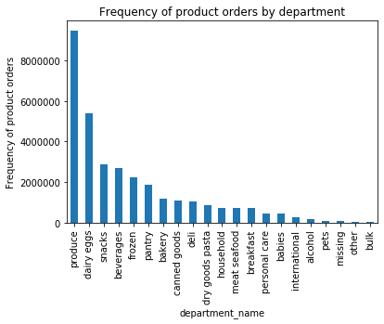

 | The most popular types of products are produce and diary eggs.

5. The marketing and sales teams are particularly interested in the different types of customers in their system and how their ordering behaviors differ. For example:

5.1What’s the distribution among users in regards to their brand loyalty (i.e., how often do they return to Instacart)?

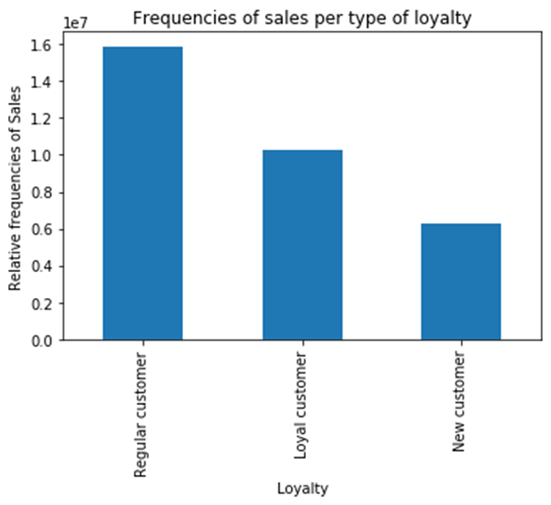

Most customers are regular customers, the company needs to put loyalty plans in place for those customers to become loyal, and it also needs more bells to attract new customers.

5.2 Are there differences in ordering habits based on a customer’s loyalty status?

The graphic entity represents shopping habits according to loyalty status and day of the week. the regular customer is the one who buys the most every day of the week and the new customer is the one who buys the least every day. Maybe if there were promotions on specific days for different customers we could see changes in these habits.

5.3 Are there differences in ordering habits based on a customer’s region?

From what we observe it could be said that the ordering habits by region are quite similar, capable the south region is a greater but with a very minor difference and that the north east region is the one with the least sales.

5.4 Is there a connection between age and family status in terms of ordering habits?

There is a connection between age and family status, it is observed that with a low income young people and adults are the ones who consume the most, retired people have the same consumption and do not depend on income. On the other hand we observe that for the adult of high and medium ieat the consumption is the same much lower than for adults of low income.

5.6 determine whether there’s a connection between age and family situation by creating a line chart exploring the connections between age and number of dependents

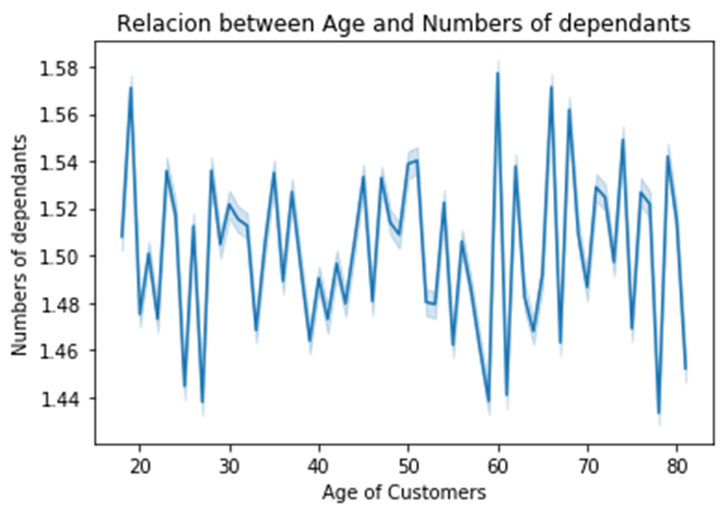

There is no connection between age and the number of dependants. It cannot be concluded at all.

5.7. explore whether there’s a connection between age and spending power (income)

In the graph it is observed that most people depending on their age are in an income less than 200000 euros although. As age increases, income becomes greater for a smaller percentage of people.

Marketing extracts must be addressed with follow recommendations. 1. Schedule afternoon advertisements every day of the week. 2. In prices, increase goods with prices less than 15 euros which is what people consume more. 3. By department: more market is needed in the areas such as alcohol, which is a large market that is not being given the importance it needs. 4. According to loyalty: more actions are needed to retain customers and add new ones. This market is not the most stable and competition is great. 5. Depending on the region: We can expand the market in the Midwest as we are not popular in that region. 6. According to the type of family and income: you must gain market among the population with the highest income since they are the ones who have the most money to spend in our market and we are not taking advantage of it since our clients are low-income.

